metadata
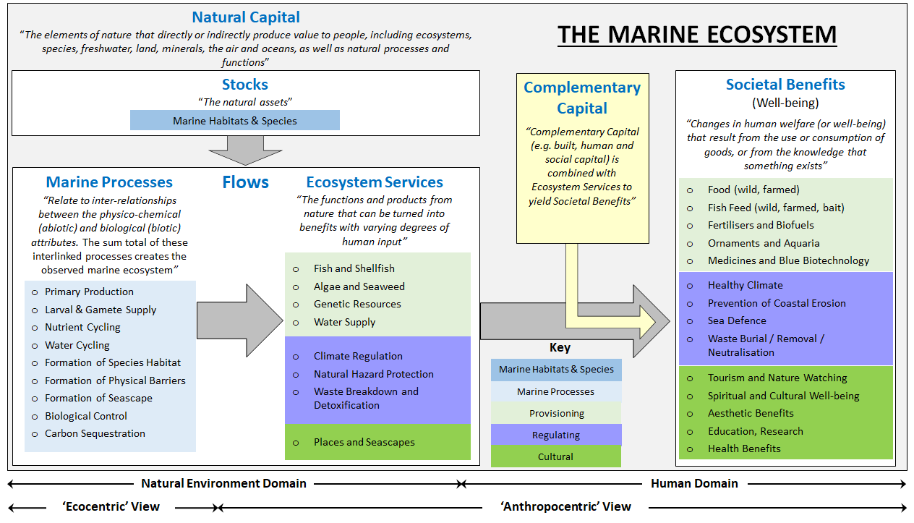
File name | Bow-tie_CONSEQUENCES & standardised vocabulary
Created/amended by | Anita Franco (IECS); Mike Elliott (IECS)
Created on | 17/04/2024
Last modified | 26/04/2024

File description | File created within WP5 of the EU project MARBEFES to provide standardised vocabulary for the CONSEQUENCES of biodiversity change as used in Bow-ties (BTs)

File content: | Spreadsheet name | Lineage
 | CONSEQUENCES_Vocabulary | Standardised vocabulary for CONSEQUENCES of marine biodiversity changes. • The terms for consequences are identified by name and alphanumerical ID (see columns 'Consequences_name' and 'New ID#'). • Consequences are identified according to a hierarchycal classification: (the increasing Level # indicated an increasing detail at which the element is defined): Level 1: Consequence theme (identify the 'realm' where the consequence occurs: nature, economy or society); Level 2: Generic consequence (within a sector/theme, defined in general terms); Level 3: Specific consequence (within a generic consequence, defined in more specific terms). Additional levels may be added for consequences specified with more detail. • The vocabulary has been derived from the harmonisation (harmonised categorisation) of the consequences indicated by the BBTs in their draft BTs*. Variables from Higher-level scenarios defined in Land2Sea project have also been integrated/harmonised in the vocabulary (see column 'Source'). • The hierarchical relations between the different consequences are indicated in column 'ID# and relations' (==: equal to...; <<: included in / subset of...; >>: includes...) • Column 'Remarks' provides additional explanation where needed. • Column 'Land2Sea' provides original terms as used in Land2Sea high -level scenarios.
 | CONSEQUENCES from BBT Bow-ties | This spreadsheet reports the consequences of biodiversity change as indicated in the draft bow-ties (BTs) created by the BBTs in MARBEFES (March 2024) and harmonises them according to the standardised vocabulary above. • The elements indicated as consequences in the draft BTs are reported in column 'Elements in draft BTs', with their source BT indicated in the column 'Source: BT generic theme (BBT#)'. • The elements from the draft BTs are categorised according to the standardised vocabulary for consequences by reporting the term ID (as in 'New ID#' form the spreadsheets above). Note that in some BTs the consequencve may be specified at a higher level of detail than the vocabulary category it belongs to. • Column 'Remarks' provides additional explanation where needed.

Additional notes:
* | For the categorisation of Consequences to Nature, the marine processes and Ecosystem Services relevant to the natural environmental domain have been considered, based on the MARBEFES WP4 conceptual framework linking natural capital, ecosystem services and societal benefits (see figure below, from the MARBEFES WP4 Milestone M39 report: Luisetti et al. (2023) - 'Draft MARBEFES method on ecological, economic and socio-cultural valuation'). The other types of consequences (to economy, society etc) refer to the impact on human welfare/well-being (human domain) via the change/loss of societal goods and benefits.

